Лист1
Environment: Windows 11 Pro, Windows Feature Experience Pack 1000.22000.438.0 ; Chrome Version 97.0.4692.99 (official build)

id | Summary | Priority | Severity | STR | Expected result | Actual result | Attachments
1 | Empty values are added to the list | low | minor | 1. Open Listboxer.exe 2. Click Enter or 'Add to List' 3. Insert any letter in the line 4. Click Enter or 'Add to List' | Empty value not added and showed up error message | Added empty value | 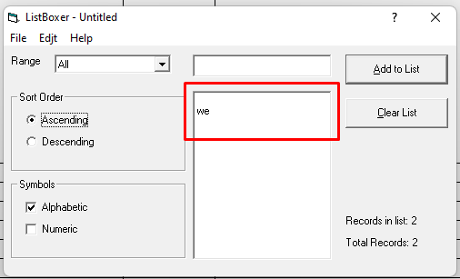

2 | Help: The 'Contents' after clicking button gives an error in the browser page | medium | major | 1. Open Listboxer.exe 2. Click 'Help' 3. Select 'Contents' | Opened the 'Contents' page in the browser and correctly view information | After selected 'Contents' error page opened in the browser | 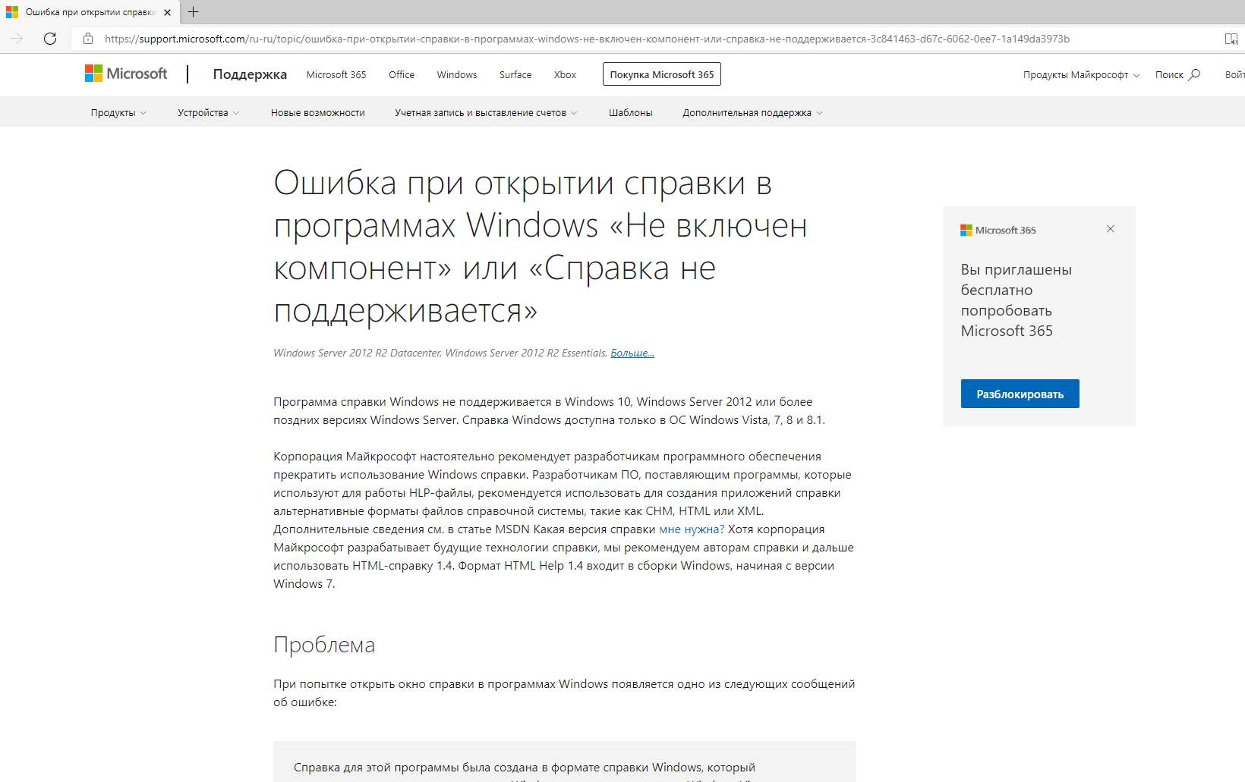

3 | Wrong sorting by 'Descending' type 'Symbols' - 'Alphabetic' | medium | minor | 1. Open Listboxer.exe 2. Select in the 'Symbols' type 'Alphabetic' 3. Insert 'a' and click the 'Add to list' 4. Insert 'b' and click the 'Add to list' 5. Insert 'c' and click the 'Add to list' 6. Select in the 'Sort Order' type 'Descending' | Sorting by 'Descending' does correcty sorting by type: c b a | Sorting by 'Descending' does wrong. Sorting doesn't by type 'Alphabetic'. | 